Pivot Tables
1. | Total Engagement (KPI Cards)

TTOTAL VIEWS |  |  |  | TOTAL WATCH TIME | AVARAGE_WATCH TIME
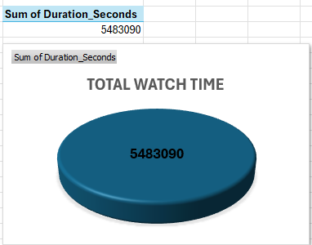
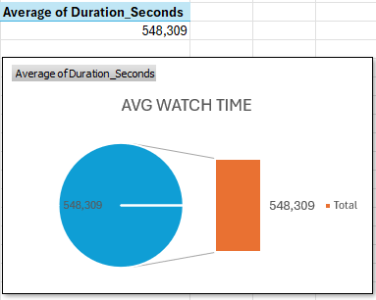
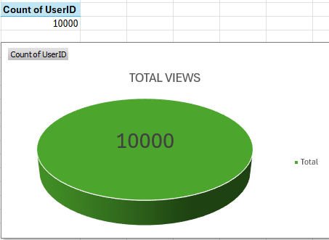

2. | PEAK VIEWING TIMES |  | Shows what Time Users watch the Most |  | 3. | VIEWERSHIP BY DAY | Helps to identy best day for content release
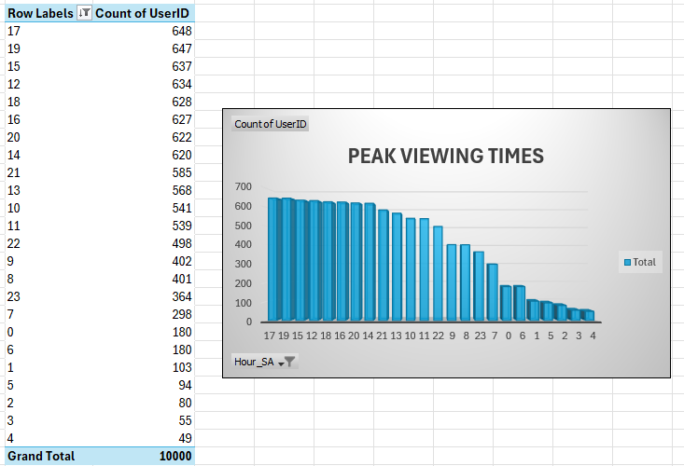
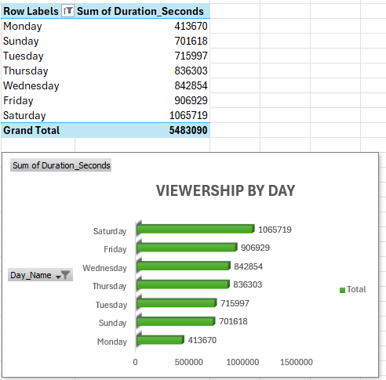

4. | CHANNEL PERFORMANCE |  | Shows which content/ Channel performs best |  | 5. | USER DEMOGRAPHICS (AGE DISTRIBUTION) |  | Helps identify key audience segments

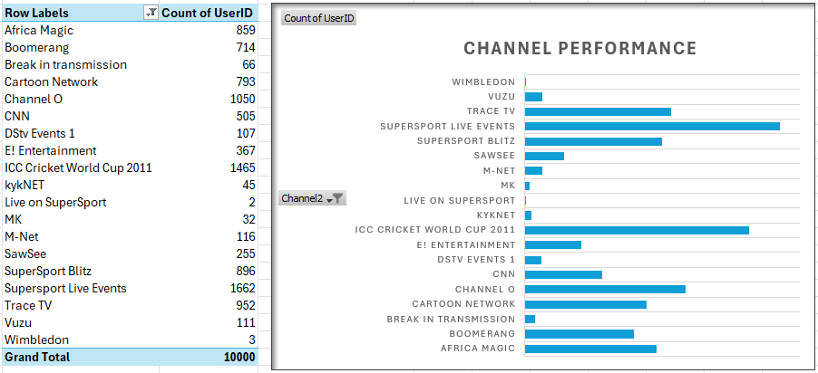
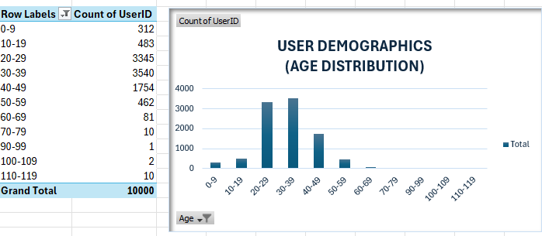

 |  |  |  |  | 7. | REGIONAL ANALYSIS | Shows strongest regions in South Africa
6. | GENDER DISTRIBUTION | For quick demographic insight
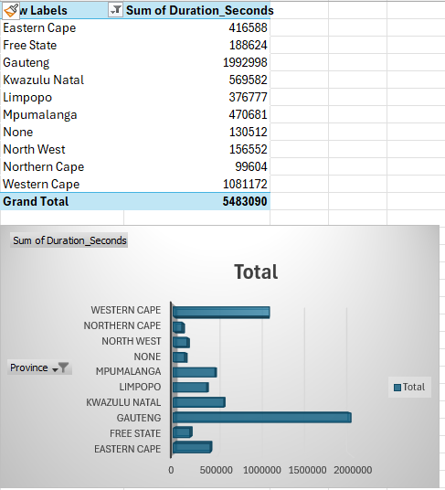
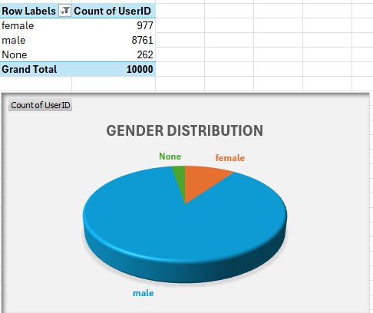

Viewrship Duration by Province
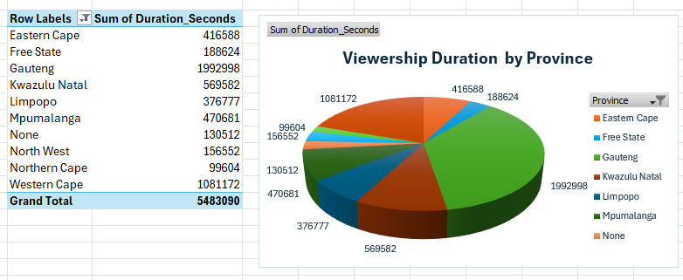

Viewership records span all major South African provinces represented in the dataset.
Gauteng: Highest volume of viewing records — the dominant province in the dataset.
Western Cape: Second most represented province, strong coloured and white viewer presence.
KwaZulu-Natal: Significant Indian/Asian viewer concentration.
Mpumalanga: Notable black male viewership across sports and entertainment channels.
Limpopo: Moderate viewership with diverse channel preferences.
Eastern Cape, Free State, North West, Northern Cape:Lower volumes but present across multiple demographics.

